Beef
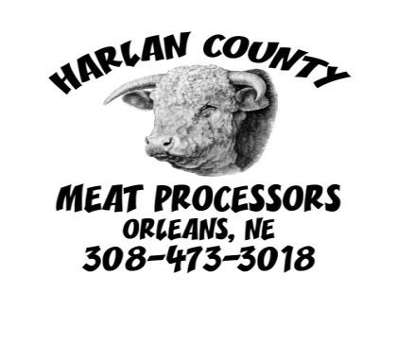
 |  |  | CUSTOM BEEF CUTTING FORM
 |  |  | __lbs | how many pounds |  | split half:
 |  |  | __" | how thick |  | Chose only one for round steak.
 |  |  | __per pkg | how many per package |  | One person will get the rump roast
 |  |  | Mark your choices below |  |  | the other person will get the pikes peak.

 |  |  |  | 30+ month must be boneless on all cuts
Name: |  |  |  | whole | 1/2 Beef | 1/4 Beef(split half)

Address:
 |  |  |  | Paper wrap or |  | Vac Pac
Phone Number:

 | Mark if you want all the roast, the very best roast, or if you want just certain roast.
Roast: | All | Very Best |  | Arm | Chuck | Sirloin Tip | Rump | Pikes Peak
___lbs/each
 | Standard Cut Steaks |  |  |  | Optional Steak Cuts:
Steaks: | Ribeye's | T-Bones | Sirloins |  | Rib Steak or Prime Rib Roast Instead of Ribeye's
__"__per pkg |  |  |  |  | Flat Irons |  | NY's/Filets Instead of T-Bones

Round: You can divide out by fractional i.e.: 1/2 minute, 1/2 hamburger
Round steak: | Regular | Tenderized | Minute | Turn into Hamburger
__per pkg

Size of pkg | 1# | 1 1/2# | 2# |  | Hand wrapped |  | Hamburger is tubed unless
Hamburger: |  |  |  |  |  |  | specified hand wrapped. Then
Patties: how much by fraction of hamburger or by lbs |  |  |  |  |  |  | it will be packed like the cuts.
Patties:(10#min) |  | 1/3# | or | 1/4#
__/__ or ___lbs |  | __per pkg | (8per max) | __per pkg | (10per max)

Brisket: |  | Soup Bones: |  | Ribs: |  | Stew Meat: (in 1# pkgs)
Yes / No |  | Yes / No |  | Yes / No |  | __lbs | (up to 5lbs per 1/4)

Heart: |  | Liver: |  | Tongue: |  | OX Tail
Yes / No |  | Yes / No |  | Yes / No |  | Yes / No
Beef Sticks: | Regular | Cheddar | Jal/Ched
10# min/each | __lbs | __lbs | __lbs
Summer Sausage: |  | Regular | Cheddar | Jal/Ched
10# min/each |  | __lbs | __lbs | __lbs
Beef Jerky: | Regular | Teriyaki | Whole Muscle(from Round or Sirloin tip)
10# min/each | __lbs | __lbs | __lbs
Dried Beef: (from Sirloin Tip) |  |  |  |  |  | harlancountymeatprocessors.com
Cooked Roast Beef: (from Round or Sirloin Tip) |  |  |  |  |  | Amy@harlanmeat.com

Hog

 |  |  | CUSTOM HOG CUTTING FORM
 |  |  | __lbs | how many pounds
 |  |  | __" | how thick
 |  |  | __per | how many per package
 |  |  | Mark your choices below

 |  |  |  |  | NO 1/4 Hogs
 |  |  |  | Whole |  | 0.5
Name:
 |  |  |  | Paper wrap or |  | Vac Pac
Address:

Phone Number:

HOG
 |  |  | Pick 1 on 1/2 hog . Pick up to 2 on whole hog.
Shoulder: |  | Roast | Cutlets | Steak | Cottage Bacon |  | Pork Butt
 |  |  | __per | __per

Loin: | Regular | or | Smoked
__" __per
 |  |  |  |  | Thickness of bacon slices
Side: | Cured | or | Fresh |  | Thin | Medium | Thick

Ham: | Cured | or | Fresh |  | Shaved |  | Cutlets
Center | __per |  | __per
Roasts

Sausage: you can divide out by lbs or by fractional ie: 1/2 reg, 1/4 Italian, 1/4 fresh
Sausage: | Regular | Hot Reg | Italian | Hot Italian | Fresh
Bulk
Patties
10# min
Links
10# min
Neck Bones: |  | Ribs:
Y / N |  | Y / N
Bratwurst: |  | Regular | Jal/ched | Hatch | Bacon/ched
10#min/each |  | __lbs | __lbs | __lbs | __lbs

Cooked Roast Pork:

Other: |  |  |  |  | harlancountymeatprocessors.com
 |  |  |  |  | Amy@Harlanmeat.com

